Sheet1
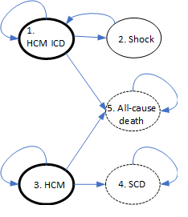

State applicable (see diagram) |  | Health Parameters | Value | Source | Costas | Comments Nathan
1 |  | Manage with ICD | 0.637 QALY*/year | Noyes 2007 | 6 monthly appointment - need cost
2 |  | Shock one-off? | ? |  | DVLA restrictions / Psychological impact
1 |  | post-shock? | ?/year
3 |  | HCM without ICD | < 1? QALY/year
4,5 |  | Death | 0 QALY/year

 |  | Cost parameters
1 | 1 | Manage with ICD | ?/year |  | 6 montly appointment
 | 2 | Perform risk score | £20 or Free? |  | part of routine clinical practice
1 | 3 | Implant ICD | £4,666? | EY02B Tariffs
1 | 4 | Attention to ICD? | £1,817? | EY10B Tariffs | Not sure what this means | one-off costs. These are what they're called in the Tarrifs listings so I guessed they may be relevant?
1 | 5 | Testing ICD? | £467? | Tarrifs |  | I don't know what they mean specifically so we can include them or not depending on what the clinican thinks?
2 |  | post Non-fatal HCM event? | ?/year |  | urgent appointment for device check
2 | 6 | Non-fatal HCM event, e.g ICD shock? one-off | £22880? | UK Stroke Assoc. | ?
3 | 7 | HCM without ICD | ?/year |  | appointment
4 | 8 | SCD | ? |  |  | are there one-off costs due to these events (i.e. state entry costs in the model)
5 | 9 | All-cause death | ?

 |  | *QALY=Quality-adjusted life year

